Sheet1
Input Voltage | 5
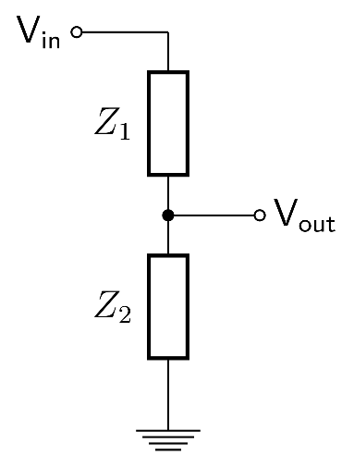
Desired voltage | 1

ADC bits | 12

V1 (Z1) | 10000
V2 (Z2) | 2200

Divider ratio | 0.18032786885
Actual voltage output | 0.90163934426

Bit | Voltage actual | Voltage drop | Measured ADC voltage
12 | 5 | 0 | 0.90163934426
11 | 4.5833333333 | 0.41666666667 | 0.82650273224
10 | 4.1666666667 | 0.83333333333 | 0.75136612022
9 | 3.75 | 1.25 | 0.6762295082
8 | 3.3333333333 | 1.6666666667 | 0.60109289617
7 | 2.9166666667 | 2.0833333333 | 0.52595628415
6 | 2.5 | 2.5 | 0.45081967213
5 | 2.0833333333 | 2.9166666667 | 0.37568306011
4 | 1.6666666667 | 3.3333333333 | 0.30054644809
3 | 1.25 | 3.75 | 0.22540983607
2 | 0.83333333333 | 4.1666666667 | 0.15027322404
1 | 0.41666666667 | 4.5833333333 | 0.075136612022
0 | 0 | 5 | 0
-1 | -0.41666666667 | 5.4166666667 | -0.075136612022
-2 | -0.83333333333 | 5.8333333333 | -0.15027322404
-3 | -1.25 | 6.25 | -0.22540983607
-4 | -1.6666666667 | 6.6666666667 | -0.30054644809
-5 | -2.0833333333 | 7.0833333333 | -0.37568306011
-6 | -2.5 | 7.5 | -0.45081967213
-7 | -2.9166666667 | 7.9166666667 | -0.52595628415
-8 | -3.3333333333 | 8.3333333333 | -0.60109289617
-9 | -3.75 | 8.75 | -0.6762295082
-10 | -4.1666666667 | 9.1666666667 | -0.75136612022
-11 | -4.5833333333 | 9.5833333333 | -0.82650273224
-12 | -5 | 10 | -0.90163934426
-13 | -5.4166666667 | 10.416666667 | -0.97677595628
-14 | -5.8333333333 | 10.833333333 | -1.0519125683
-15 | -6.25 | 11.25 | -1.1270491803
-16 | -6.6666666667 | 11.666666667 | -1.2021857923
-17 | -7.0833333333 | 12.083333333 | -1.2773224044

